PO
PURCHASE ORDER
 |  | Date: |  | 2018-01-29
 |  | Reference: |  | BGT/PO/432
 |  | Payment Terms: |  | 100% Cash Advance
EXPORTER: |  | Shipment Mode: |  | By Sea
 |  | Shipment Terms: |  | Ex Factory

REPRESENTATIVE OF THE EXPORTER |  | SHIP TO:

S.R No. | Description | Quantity | Unit | Unit Price | Amount
1 |  |  | PCS | AED - | AED -

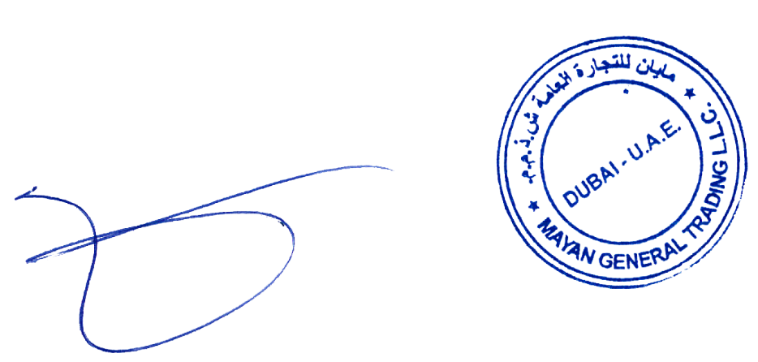
Amount in Words: |  |  |  | Sub-Total | AED -
 |  |  |  | Others | -
 |  |  |  | Total Amount | AED -

Packing : In Container
Origin: China
Loading Port : Port of Beijing, China
Discharge Port: Port of Istanbul, Turkey

Kindly sign and stamp to accept ____________________________________________

